View Factor Matrix
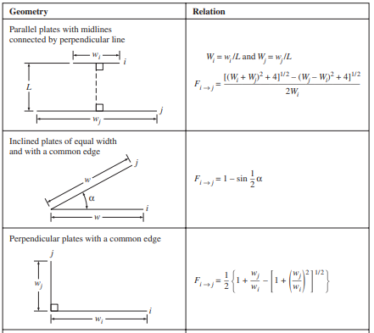
 |  |  | Component 1 | Component 2 | Component 3 | Component 4
 |  |  | Vacuum | Lunar Surface | Radiator | Structure North
 | Component 1 | Vacuum | 0 | 0 | 0.876137 | 0
 | Component 2 | Lunar Surface | 0 | 0 | 0 | 0
 | Component 3 | Radiator | 0.876137 | 0 | 0 | 0
 | Component 4 | Structure North | 0 | 0 | 0 | 0
 | Component 5 | Structure South | 0 | 0 | 0 | 0.1
 | Component 6 | Structure NE | 0 | 0 | 0 | 0.1
 | Component 7 | Structure SE | 0 | 0 | 0 | 0.1
 | Component 8 | Structure SW | 0 | 0 | 0 | 0.1
 | Component 9 | Structure NW | 0 | 0 | 0 | 0.1
 | Component 10 | Structure Roof | 0 | 0 | 0 | 0.1
 | Component 11 | Structure Floor | 0 | 0 | 0 | 0.1
 | Component 12 | External MLI North | 6 | 0 | 0 | 0
 | Component 13 | External MLI South | 6 | 0 | 0 | 0
 | Component 14 | External MLI NE | 6 | 0 | 0 | 0
 | Component 15 | External MLI SE | 6 | 0 | 0 | 0
 | Component 16 | External MLI SW | 6 | 0 | 0 | 0
 | Component 17 | External MLI NW | 6 | 0 | 0 | 0
 | Component 18 | External MLI Roof | 20.784609691 | 0 | 0 | 0
 | Component 19 | External MLI Floor | 20.784609691 | 19.784609691 | 0 | 0
View factors * surface area of surfaces that will be radiating heat to others nearby | Component 20 | Landing Leg North | 0.5 | 0.5 | 0 | 0
This will be 0 for most cases (as Conductivity is dominant) | Component 21 | Landing Leg South | 0.5 | 0.5 | 0 | 0
 | Component 22 | Landing Leg East | 0.5 | 0.5 | 0 | 0
Pick the best one of these to describe the scenerio and populate cells | Component 23 | Landing Leg West | 0.5 | 0.5 | 0 | 0
Or rough estimate of shared surface area would be sufficient | Component 24 | Middle Floor | 0 | 0 | 0 | 0.1
 | Component 25 | Ramp | 0.5 | 0.5 | 0 | 0
 | Component 26 | Solar Panel | 1 | 0 | 0 | 0
 | Component 27 | RHU | 0 | 0 | 0 | 0
 | Component 28 | Batteries | 0 | 0 | 0 | 0.05
 | Component 29 | PDU | 0 | 0 | 0 | 0.05
...

